LCV =<3,5t
 |  | P R E S S R E L E A S E

Avenue des Nerviens 85 |  | PRESS EMBARGO FOR ALL DATA :
B-1040 Brussel |  | 8.00 AM (7.00 AM GMT), 26 November 2015
Tel (32 2) 732 55 50
Fax (32 2) 738 73 10
 |  | PROVISIONAL
 |  | EU1+EFTA COUNTRIES NEW REGISTRATION FIGURES BY MARKET
 |  | NEW LIGHT COMMERCIAL VEHICLES up to 3.5t2

 |  |  |  |  |  |  | 26/11/15
 |  | October | October | % | Jan-Oct | Jan-Oct | %
 |  | '15 | '14 | Change | '15 | '14 | Change
 | AUSTRIA | 2,934 | 2,850 | 2.9% | 27,479 | 26,560 | 3.5%
 | BELGIUM | 5,114 | 4,548 | 12.4% | 52,344 | 45,647 | 14.7%
 | BULGARIA | 343 | 360 | -4.7% | 3,664 | 3,243 | 13.0%
 | CROATIA | 640 | 373 | 71.6% | 5,571 | 4,567 | 22.0%
 | CYPRUS | 144 | 117 | 23.1% | 1,190 | 990 | 20.2%
 | CZECH REPUBLIC | 1,758 | 1,249 | 40.8% | 13,520 | 10,434 | 29.6%
 | DENMARK | 2,804 | 2,672 | 4.9% | 26,239 | 22,660 | 15.8%
 | ESTONIA | 311 | 281 | 10.7% | 3,070 | 2,445 | 25.6%
 | FINLAND | 960 | 974 | -1.4% | 9,446 | 8,922 | 5.9%
 | FRANCE | 35,088 | 34,530 | 1.6% | 307,233 | 304,352 | 0.9%
 | GERMANY | 23,141 | 22,260 | 4.0% | 191,241 | 186,453 | 2.6%
 | GREECE | 432 | 500 | -13.6% | 4,625 | 3,874 | 19.4%
 | HUNGARY | 1,584 | 1,420 | 11.5% | 13,353 | 12,338 | 8.2%
 | IRELAND | 1,207 | 1,392 | -13.3% | 22,849 | 15,955 | 43.2%
 | ITALY3 | 12,100 | 11,306 | 7.0% | 104,290 | 96,139 | 8.5%
 | LATVIA | 212 | 194 | 9.3% | 1,920 | 2,027 | -5.3%
 | LITHUANIA | 232 | 201 | 15.4% | 1,927 | 1,679 | 14.8%
 | LUXEMBOURG | 360 | 328 | 9.8% | 3,129 | 2,809 | 11.4%
 | NETHERLANDS | 4,510 | 4,154 | 8.6% | 49,192 | 44,698 | 10.1%
 | POLAND | 4,951 | 4,387 | 12.9% | 41,922 | 36,485 | 14.9%
 | PORTUGAL | 2,772 | 2,409 | 15.1% | 24,097 | 19,908 | 21.0%
 | ROMANIA | 942 | 1,077 | -12.5% | 8,623 | 7,910 | 9.0%
 | SLOVAKIA | 771 | 548 | 40.7% | 5,685 | 4,577 | 24.2%
 | SLOVENIA | 669 | 563 | 18.8% | 5,950 | 5,933 | 0.3%
 | SPAIN | 14,498 | 11,604 | 24.9% | 126,660 | 93,484 | 35.5%
 | SWEDEN | 4,299 | 3,796 | 13.3% | 36,533 | 34,036 | 7.3%
 | UNITED KINGDOM | 28,208 | 26,570 | 6.2% | 312,369 | 268,641 | 16.3%
 | EUROPEAN UNION1 | 150,984 | 140,663 | 7.3% | 1,404,121 | 1,266,766 | 10.8%
 | EU154 | 138,427 | 129,893 | 6.6% | 1,297,726 | 1,174,138 | 10.5%
 | EU125 | 12,557 | 10,770 | 16.6% | 106,395 | 92,628 | 14.9%
 | ICELAND | 91 | 81 | 12.3% | 1,161 | 714 | 62.6%
 | NORWAY | 2,892 | 2,757 | 4.9% | 25,757 | 24,415 | 5.5%
 | SWITZERLAND | 2,449 | 2,357 | 3.9% | 25,748 | 24,046 | 7.1%
 | EFTA | 5,432 | 5,195 | 4.6% | 52,666 | 49,175 | 7.1%
 | EU+EFTA | 156,416 | 145,858 | 7.2% | 1,456,787 | 1,315,941 | 10.7%
 | WESTERN EUROPE (EU15+EFTA) | 143,859 | 135,088 | 6.5% | 1,350,392 | 1,223,313 | 10.4%
 | SOURCE: NATIONAL AUTOMOBILE MANUFACTURERS' ASSOCIATIONS
 | 1Data for Malta unavailable |  |  | 4Member States before the 2004 enlargement
 | 2Including Light Buses & Coaches |  |  | 5Member States having joined the EU since 2004 (data for Malta unavailable)
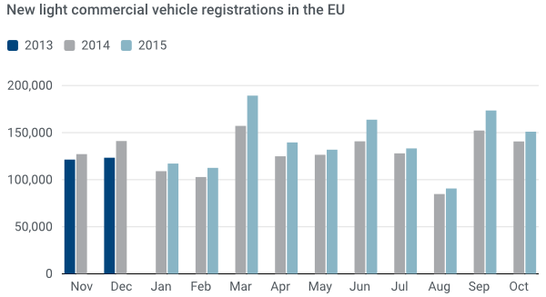
 | 3ANFIA estimates

For further information, please contact: Ms Francesca Piazza - Statistics & Communications Advisor - E-mail: fp@acea.be - Tel. (32) 2 738 73 55
This information is available on the ACEA website: http://www.acea.be
Next press release on Commercial Vehicles to be issued on Friday 18 November 2015
 |  |  |  |  |  |  | Page 3 of 7

HCV - Trucks > 16t
 |  | P R E S S R E L E A S E

Avenue des Nerviens 85 |  | PRESS EMBARGO FOR ALL DATA :
B-1040 Brussel |  | 8.00 AM (7.00 AM GMT), 26 November 2015
Tel (32 2) 732 55 50
Fax (32 2) 738 73 10
 |  | PROVISIONAL
 |  | EU1+EFTA COUNTRIES NEW REGISTRATION FIGURES BY MARKET
 |  | NEW HEAVY COMMERCIAL VEHICLES of 16t and over2

 |  |  |  |  |  |  | 26/11/15
 |  | October | October | % | Jan-Oct | Jan-Oct | %
 |  | '15 | '14 | Change | '15 | '14 | Change
 | AUSTRIA | 646 | 748 | -13.6% | 5,929 | 5,719 | 3.7%
 | BELGIUM | 620 | 576 | 7.6% | 5,964 | 5,511 | 8.2%
 | BULGARIA | n.a | n.a | n.a | n.a | n.a | n.a
 | CROATIA | 66 | 89 | -25.8% | 668 | 650 | 2.8%
 | CYPRUS | 2 | 0 |  | 11 | 7 | 57.1%
 | CZECH REPUBLIC3 | 948 | 853 | 11.1% | 7,207 | 6,224 | 15.8%
 | DENMARK | 500 | 402 | 24.4% | 3,701 | 2,747 | 34.7%
 | ESTONIA | 57 | 94 | -39.4% | 604 | 617 | -2.1%
 | FINLAND | 208 | 205 | 1.5% | 1,813 | 1,672 | 8.4%
 | FRANCE | 3,892 | 3,134 | 24.2% | 30,305 | 26,874 | 12.8%
 | GERMANY | 6,000 | 5,341 | 12.3% | 52,032 | 49,777 | 4.5%
 | GREECE | 44 | 31 | 41.9% | 197 | 180 | 9.4%
 | HUNGARY | 533 | 459 | 16.1% | 4,067 | 3,468 | 17.3%
 | IRELAND4 | 113 | 153 | -26.1% | 1,429 | 1,406 | 1.6%
 | ITALY5 | 1,140 | 948 | 20.3% | 10,002 | 7,944 | 25.9%
 | LATVIA | 216 | 96 | 125.0% | 1,179 | 862 | 36.8%
 | LITHUANIA4 | 368 | 243 | 51.4% | 3,080 | 1,862 | 65.4%
 | LUXEMBOURG4 | 116 | 76 | 52.6% | 888 | 828 | 7.2%
 | NETHERLANDS | 1,156 | 1,148 | 0.7% | 10,762 | 7,465 | 44.2%
 | POLAND | 2,270 | 1,681 | 35.0% | 16,359 | 12,513 | 30.7%
 | PORTUGAL | 312 | 268 | 16.4% | 2,435 | 1,705 | 42.8%
 | ROMANIA | 617 | 445 | 38.7% | 4,527 | 3,042 | 48.8%
 | SLOVAKIA | 451 | 455 | -0.9% | 3,493 | 2,743 | 27.3%
 | SLOVENIA4 | 150 | 157 | -4.5% | 1,381 | 1,116 | 23.7%
 | SPAIN | 3,104 | 2,721 | 14.1% | 15,494 | 10,677 | 45.1%
 | SWEDEN | 486 | 437 | 11.2% | 3,870 | 3,867 | 0.1%
 | UNITED KINGDOM | 4,230 | 6,008 | -29.6% | 29,133 | 23,297 | 25.1%
 | EUROPEAN UNION1 | 28,245 | 26,768 | 5.5% | 216,530 | 182,773 | 18.5%
 | EU15 | 22,567 | 22,196 | 1.7% | 173,954 | 149,669 | 16.2%
 | EU121 | 5,678 | 4,572 | 24.2% | 42,576 | 33,104 | 28.6%
 | ICELAND | 8 | 10 | -20.0% | 98 | 63 | 55.6%
 | NORWAY4 | 365 | 387 | -5.7% | 3,332 | 3,470 | -4.0%
 | SWITZERLAND3 | 232 | 283 | -18.0% | 2,631 | 2,911 | -9.6%
 | EFTA | 605 | 680 | -11.0% | 6,061 | 6,444 | -5.9%
 | EU+EFTA | 28,850 | 27,448 | 5.1% | 222,591 | 189,217 | 17.6%
 | WESTERN EUROPE (EU15+EFTA) | 23,172 | 22,876 | 1.3% | 180,015 | 156,113 | 15.3%
 | SOURCE: NATIONAL AUTOMOBILE MANUFACTURERS' ASSOCIATIONS
 | 1Data for Malta unavailable |  | 4AAA esimates
 | 2Excluding Heavy Buses & Coaches |  | 5ANFIA estimates based on vehicle registration certificates issued by the Italian Ministry of Transport
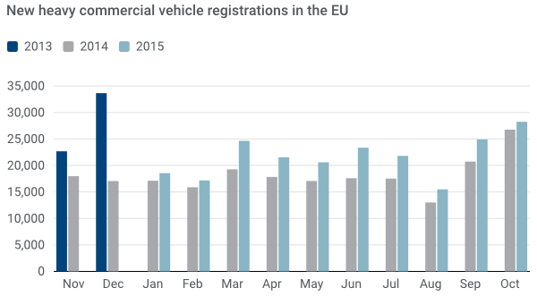
 | 3Heavy Commercial Vehicles of 18t and over

For further information, please contact: Ms Francesca Piazza - Statistics & Communications Advisor - E-mail: fp@acea.be - Tel. (32) 2 738 73 55
This information is available on the ACEA website: http://www.acea.be
 |  |  |  |  |  |  |  | Page 4 of 7

MCV+HCV >3,5t - Trucks
 |  | P R E S S R E L E A S E

Avenue des Nerviens 85 |  | PRESS EMBARGO FOR ALL DATA :
B-1040 Brussel |  | 8.00 AM (7.00 AM GMT), 26 November 2015
Tel (32 2) 732 55 50
Fax (32 2) 738 73 10
 |  | PROVISIONAL
 |  | EU1+EFTA COUNTRIES NEW REGISTRATION FIGURES BY MARKET
 |  | NEW MEDIUM & HEAVY COMMERCIAL VEHICLES over 3.5t2

 |  |  |  |  |  |  | 26/11/15
 |  | October | October | % | Jan-Oct | Jan-Oct | %
 |  | '15 | '14 | Change | '15 | '14 | Change
 | AUSTRIA | 710 | 812 | -12.6% | 6,409 | 6,135 | 4.5%
 | BELGIUM | 726 | 720 | 0.8% | 7,271 | 6,813 | 6.7%
 | BULGARIA | n.a. | n.a. | n.a. | n.a. | n.a. | n.a.
 | CROATIA | 73 | 101 | -27.7% | 883 | 835 | 5.7%
 | CYPRUS | 4 | 2 | 100.0% | 40 | 20 | 100.0%
 | CZECH REPUBLIC | 1,123 | 984 | 14.1% | 8,641 | 7,524 | 14.8%
 | DENMARK | 533 | 441 | 20.9% | 4,045 | 3,034 | 33.3%
 | ESTONIA | 63 | 97 | -35.1% | 654 | 669 | -2.2%
 | FINLAND | 263 | 252 | 4.4% | 2,289 | 2,191 | 4.5%
 | FRANCE | 4,369 | 3,561 | 22.7% | 35,214 | 31,912 | 10.3%
 | GERMANY | 9,310 | 8,124 | 14.6% | 75,242 | 73,106 | 2.9%
 | GREECE | 94 | 54 | 74.1% | 369 | 310 | 19.0%
 | HUNGARY | 572 | 486 | 17.7% | 4,410 | 3,801 | 16.0%
 | IRELAND | 136 | 200 | -32.0% | 1,777 | 1,740 | 2.1%
 | ITALY3 | 1,365 | 1,208 | 13.0% | 12,826 | 10,597 | 21.0%
 | LATVIA | 227 | 108 | 110.2% | 1,250 | 933 | 34.0%
 | LITHUANIA4 | 381 | 255 | 49.4% | 3,179 | 1,976 | 60.9%
 | LUXEMBOURG | 121 | 81 | 49.4% | 941 | 915 | 2.8%
 | NETHERLANDS | 1,256 | 1,247 | 0.7% | 11,937 | 8,394 | 42.2%
 | POLAND | 2,468 | 1,935 | 27.5% | 18,130 | 14,394 | 26.0%
 | PORTUGAL | 443 | 348 | 27.3% | 3,152 | 2,292 | 37.5%
 | ROMANIA | 652 | 473 | 37.8% | 4,752 | 3,270 | 45.3%
 | SLOVAKIA | 501 | 516 | -2.9% | 3,836 | 3,149 | 21.8%
 | SLOVENIA4 | 162 | 167 | -3.0% | 1,510 | 1,232 | 22.6%
 | SPAIN | 3,349 | 2,961 | 13.1% | 18,148 | 12,704 | 42.9%
 | SWEDEN | 547 | 487 | 12.3% | 4,353 | 4,273 | 1.9%
 | UNITED KINGDOM | 5,401 | 8,211 | -34.2% | 39,024 | 33,268 | 17.3%
 | EUROPEAN UNION1 | 34,849 | 33,831 | 3.0% | 270,282 | 235,487 | 14.8%
 | EU15 | 28,623 | 28,707 | -0.3% | 222,997 | 197,684 | 12.8%
 | EU121 | 6,226 | 5,124 | 21.5% | 47,285 | 37,803 | 25.1%
 | ICELAND | 18 | 19 | -5.3% | 179 | 103 | 73.8%
 | NORWAY | 475 | 494 | -3.8% | 4,524 | 4,680 | -3.3%
 | SWITZERLAND | 303 | 368 | -17.7% | 3,343 | 3,670 | -8.9%
 | EFTA | 796 | 881 | -9.6% | 8,046 | 8,453 | -4.8%
 | EU+EFTA | 35,645 | 34,712 | 2.7% | 278,328 | 243,940 | 14.1%
 | WESTERN EUROPE (EU15+EFTA) | 29,419 | 29,588 | -0.6% | 231,043 | 206,137 | 12.1%
 | SOURCE: NATIONAL AUTOMOBILE MANUFACTURERS' ASSOCIATIONS
 | 1Data for Malta unavailable |  | 3ANFIA estimates based on vehicle registration certificates issued by the Italian Ministry of Transport
 | 2Excluding total Buses & Coaches over 3.5t |  | 4AAA estimates
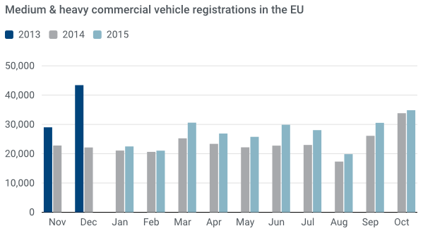

For further information, please contact: Ms Francesca Piazza - Statistics & Communications Advisor - E-mail: fp@acea.be - Tel. (32) 2 738 73 55
This information is available on the ACEA website: http://www.acea.be
 |  |  |  |  |  |  |  | Page 5 of 7

MBC+HBC > 3,5t
 |  | P R E S S R E L E A S E

Avenue des Nerviens 85 |  | PRESS EMBARGO FOR ALL DATA :
B-1040 Brussel |  | 8.00 AM (7.00 AM GMT), 26 November 2015
Tel (32 2) 732 55 50
Fax (32 2) 738 73 10
 |  | PROVISIONAL
 |  | EU1+EFTA COUNTRIES NEW REGISTRATION FIGURES BY MARKET
 |  | NEW MEDIUM & HEAVY BUSES & COACHES over 3.5t

 |  |  |  |  |  |  | 26/11/15
 |  | October | October | % | Jan-Oct | Jan-Oct | %
 |  | '15 | '14 | Change | '15 | '14 | Change
 | AUSTRIA | 50 | 48 | 4.2% | 714 | 710 | 0.6%
 | BELGIUM | 43 | 70 | -38.6% | 808 | 971 | -16.8%
 | BULGARIA | n.a. | n.a. | n.a. | n.a. | n.a. | n.a.
 | CROATIA | 9 | 2 | 350.0% | 107 | 91 | 17.6%
 | CYPRUS | n.a. | n.a. | n.a. | n.a. | n.a. | n.a.
 | CZECH REPUBLIC | 177 | 99 | 78.8% | 954 | 695 | 37.3%
 | DENMARK | 28 | 52 | -46.2% | 344 | 362 | -5.0%
 | ESTONIA | 2 | 10 | -80.0% | 182 | 119 | 52.9%
 | FINLAND | 31 | 61 | -49.2% | 462 | 628 | -26.4%
 | FRANCE | 585 | 465 | 25.8% | 5,930 | 4,983 | 19.0%
 | GERMANY | 521 | 513 | 1.6% | 4,461 | 4,194 | 6.4%
 | GREECE | 10 | 5 | 100.0% | 113 | 165 | -31.5%
 | HUNGARY | 130 | 29 | 348.3% | 404 | 309 | 30.7%
 | IRELAND | 15 | 21 | -28.6% | 281 | 195 | 44.1%
 | ITALY2 | 188 | 177 | 6.2% | 2,099 | 1,839 | 14.1%
 | LATVIA | 9 | 9 | 0.0% | 200 | 160 | 25.0%
 | LITHUANIA3 | 11 | 24 | -54.2% | 179 | 231 | -22.5%
 | LUXEMBOURG | 12 | 13 | -7.7% | 246 | 143 | 72.0%
 | NETHERLANDS | 9 | 4 | 125.0% | 314 | 363 | -13.5%
 | POLAND | 110 | 102 | 7.8% | 1,343 | 1,213 | 10.7%
 | PORTUGAL | 13 | 25 | -48.0% | 232 | 203 | 14.3%
 | ROMANIA | 232 | 203 | 14.3% | 2,055 | 1,001 | 105.3%
 | SLOVAKIA | 18 | 15 | 20.0% | 227 | 305 | -25.6%
 | SLOVENIA3 | 20 | 4 | 400.0% | 143 | 153 | -6.5%
 | SPAIN | 205 | 126 | 62.7% | 2,225 | 1,541 | 44.4%
 | SWEDEN | 110 | 134 | -17.9% | 984 | 1,139 | -13.6%
 | UNITED KINGDOM | 721 | 601 | 20.0% | 7,252 | 5,626 | 28.9%
 | EUROPEAN UNION1 | 3,259 | 2,812 | 15.9% | 32,259 | 27,339 | 18.0%
 | EU15 | 2,541 | 2,315 | 9.8% | 26,465 | 23,062 | 14.8%
 | EU121 | 718 | 497 | 44.5% | 5,794 | 4,277 | 35.5%
 | ICELAND | 2 | 1 | 100.0% | 93 | 63 | 47.6%
 | NORWAY | 35 | 80 | -56.3% | 728 | 798 | -8.8%
 | SWITZERLAND | 82 | 48 | 70.8% | 561 | 485 | 15.7%
 | EFTA | 119 | 129 | -7.8% | 1,382 | 1,346 | 2.7%
 | EU+EFTA | 3,378 | 2,941 | 14.9% | 33,641 | 28,685 | 17.3%
 | WESTERN EUROPE (EU15+EFTA) | 2,660 | 2,444 | 8.8% | 27,847 | 24,408 | 14.1%
 | SOURCE: NATIONAL AUTOMOBILE MANUFACTURERS' ASSOCIATIONS
 | 1Data for Malta unavailable
 | 2ANFIA estimates based on vehicle registration certificates issued by the Italian Ministry of Transport
 | 3AAA estimates
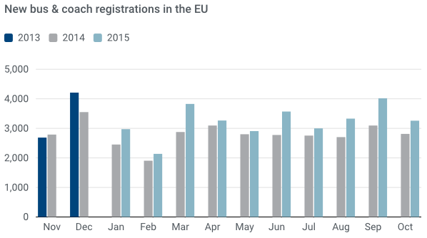

For further information, please contact: Ms Francesca Piazza - Statistics & Communications Advisor - E-mail: fp@acea.be - Tel. (32) 2 738 73 55
This information is available on the ACEA website: http://www.acea.be
 |  |  |  |  |  |  |  | Page 6 of 7

TOTAL
 |  | P R E S S R E L E A S E

Avenue des Nerviens 85 |  | PRESS EMBARGO FOR ALL DATA :
B-1040 Brussel |  | 8.00 AM (7.00 AM GMT), 26 November 2015
Tel (32 2) 732 55 50
Fax (32 2) 738 73 10
 |  | PROVISIONAL
 |  | EU1+EFTA COUNTRIES NEW REGISTRATION FIGURES BY MARKET
 |  | TOTAL NEW COMMERCIAL VEHICLES2

 |  |  |  |  |  |  | 26/11/15
 |  | October | October | % | Jan-Oct | Jan-Oct | %
 |  | '15 | '14 | Change | '15 | '14 | Change
 | AUSTRIA | 3,694 | 3,710 | -0.4% | 34,602 | 33,405 | 3.6%
 | BELGIUM | 5,883 | 5,338 | 10.2% | 60,423 | 53,431 | 13.1%
 | BULGARIA3 | 343 | 360 | -4.7% | 3,664 | 3,243 | 13.0%
 | CROATIA | 722 | 476 | 51.7% | 6,561 | 5,493 | 19.4%
 | CYPRUS4 | 148 | 119 | 24.4% | 1,230 | 1,010 | 21.8%
 | CZECH REPUBLIC | 3,058 | 2,332 | 31.1% | 23,115 | 18,653 | 23.9%
 | DENMARK | 3,365 | 3,165 | 6.3% | 30,628 | 26,056 | 17.5%
 | ESTONIA | 376 | 388 | -3.1% | 3,906 | 3,233 | 20.8%
 | FINLAND | 1,254 | 1,287 | -2.6% | 12,197 | 11,741 | 3.9%
 | FRANCE | 40,042 | 38,556 | 3.9% | 348,377 | 341,247 | 2.1%
 | GERMANY | 32,972 | 30,897 | 6.7% | 270,944 | 263,753 | 2.7%
 | GREECE | 536 | 559 | -4.1% | 5,107 | 4,349 | 17.4%
 | HUNGARY | 2,286 | 1,935 | 18.1% | 18,167 | 16,448 | 10.5%
 | IRELAND | 1,358 | 1,613 | -15.8% | 24,907 | 17,890 | 39.2%
 | ITALY5 | 13,653 | 12,691 | 7.6% | 119,215 | 108,575 | 9.8%
 | LATVIA | 448 | 311 | 44.1% | 3,370 | 3,120 | 8.0%
 | LITHUANIA | 624 | 480 | 30.0% | 5,285 | 3,886 | 36.0%
 | LUXEMBOURG | 493 | 422 | 16.8% | 4,316 | 3,867 | 11.6%
 | NETHERLANDS | 5,775 | 5,405 | 6.8% | 61,443 | 53,455 | 14.9%
 | POLAND | 7,529 | 6,424 | 17.2% | 61,395 | 52,092 | 17.9%
 | PORTUGAL | 3,228 | 2,782 | 16.0% | 27,481 | 22,403 | 22.7%
 | ROMANIA | 1,826 | 1,753 | 4.2% | 15,430 | 12,181 | 26.7%
 | SLOVAKIA | 1,290 | 1,079 | 19.6% | 9,748 | 8,031 | 21.4%
 | SLOVENIA | 851 | 734 | 15.9% | 7,603 | 7,318 | 3.9%
 | SPAIN | 18,052 | 14,691 | 22.9% | 147,033 | 107,729 | 36.5%
 | SWEDEN | 4,956 | 4,417 | 12.2% | 41,870 | 39,448 | 6.1%
 | UNITED KINGDOM | 34,330 | 35,382 | -3.0% | 358,645 | 307,535 | 16.6%
 | EUROPEAN UNION1 | 189,092 | 177,306 | 6.6% | 1,706,662 | 1,529,592 | 11.6%
 | EU15 | 169,591 | 160,915 | 5.4% | 1,547,188 | 1,394,884 | 10.9%
 | EU121 | 19,501 | 16,391 | 19.0% | 159,474 | 134,708 | 18.4%
 | ICELAND | 111 | 101 | 9.9% | 1,433 | 880 | 62.8%
 | NORWAY | 3,402 | 3,331 | 2.1% | 31,009 | 29,893 | 3.7%
 | SWITZERLAND | 2,834 | 2,773 | 2.2% | 29,652 | 28,201 | 5.1%
 | EFTA | 6,347 | 6,205 | 2.3% | 62,094 | 58,974 | 5.3%
 | EU+EFTA | 195,439 | 183,511 | 6.5% | 1,768,756 | 1,588,566 | 11.3%
 | WESTERN EUROPE (EU15+EFTA) | 175,938 | 167,120 | 5.3% | 1,609,282 | 1,453,858 | 10.7%
 | SOURCE: NATIONAL AUTOMOBILE MANUFACTURERS' ASSOCIATIONS
 | 1Data for Malta unavailable |  |  | 4Data for Buses & Coaches unavailable
 | 2Total Light, Medium & Heavy Commercial Vehicles and Buses & Coaches |  |  | 5ANFIA estimates based on vehicle registration certificates issued by the Italian Ministry of Transport
 | 3Data for Medium & Heavy Commercial Vehicles and Buses & Coaches unavailable
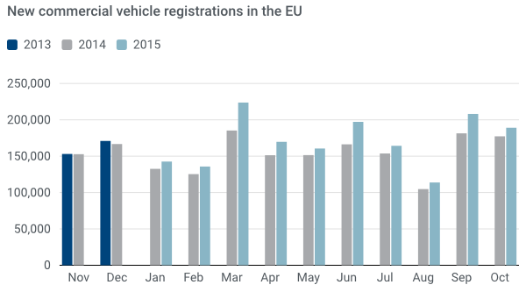

For further information, please contact: Ms Francesca Piazza - Statistics & Communications Advisor - E-mail: fp@acea.be - Tel. (32) 2 738 73 55
This information is available on the ACEA website: http://www.acea.be
 |  |  |  |  |  |  |  | Page 7 of 7

